Demographics Census Tract 17.01
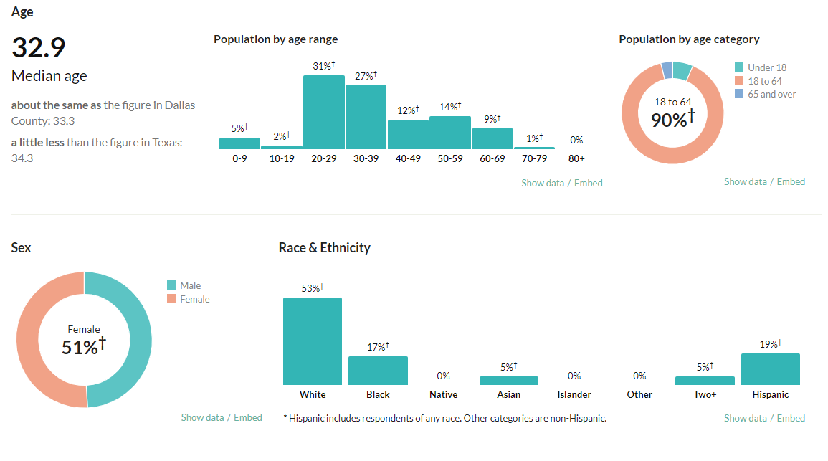
Address | Developer
2400 Bryan Street | Mathews Southwest | Real Estate Developer Headquarted in Lewisville.

Econimics Census Tract 17.01
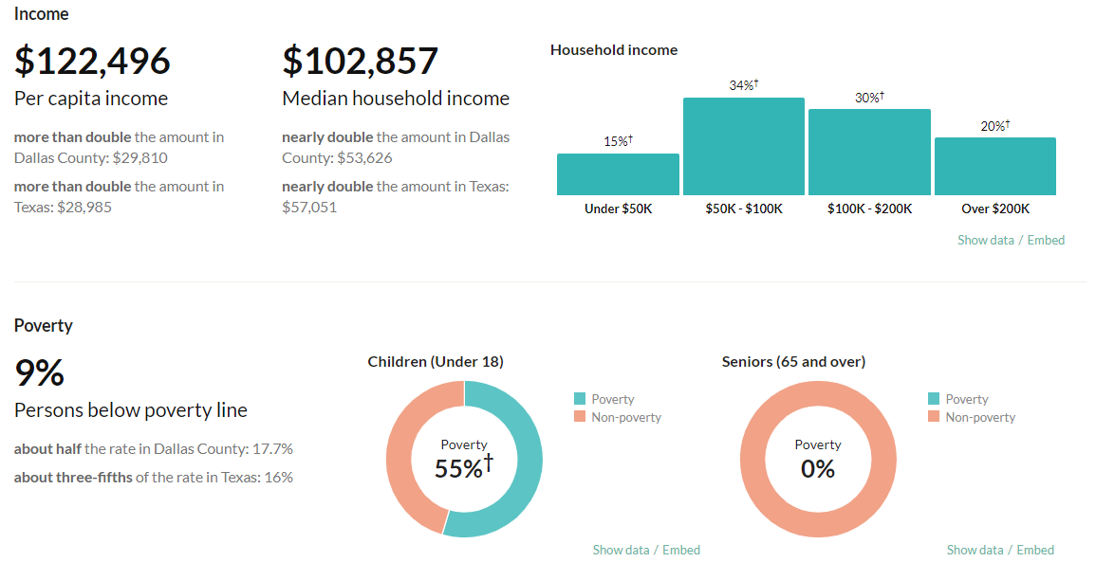

Housing
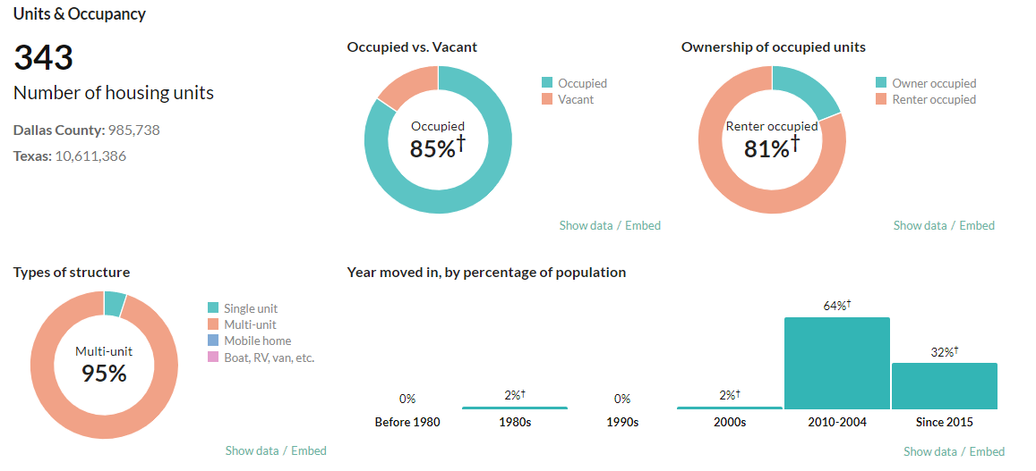

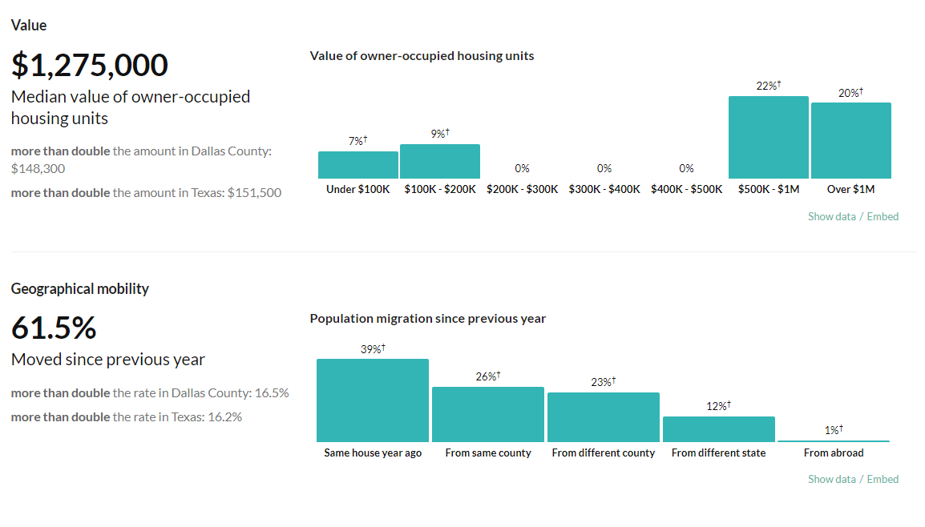

Map 2400 Bryan Street
